Dala Sales & Deliveries
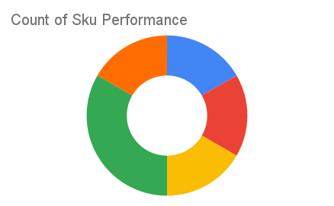
Total Invoices Delivered | 22.00 | Sku Performance | Units | Value
Unique Locations Supplied | 21.00 | 500g Grandios Brown Pap (20x) | 8.50 | 272,000.00
Total Value of orders | 943,600.00 | 500g Grandios White Pap (20x) | 8.50 | 272,000.00
 |  | 500g Grandios Yellow Pap (20x) | 10.25 | 328,000.00
 |  | 50g Grandios Brown Pap (120x) | 0.50 | 9,900.00
 |  | 50g Grandios Yellow Pap (120x) | 1.25 | 24,750.00
 |  | 50g Grandios Brown Pap (120x) | 0.50 | 9,900.00
 |  |  | 0.00 | 0.00
 |  |  | 0.00 | 0.00
 |  |  | 0.00 | 0.00
 |  |  | 0.00 | 0.00
 |  |  | 0.00 | 0.00
 |  |  | 0.00 | 0.00

